Input Examples
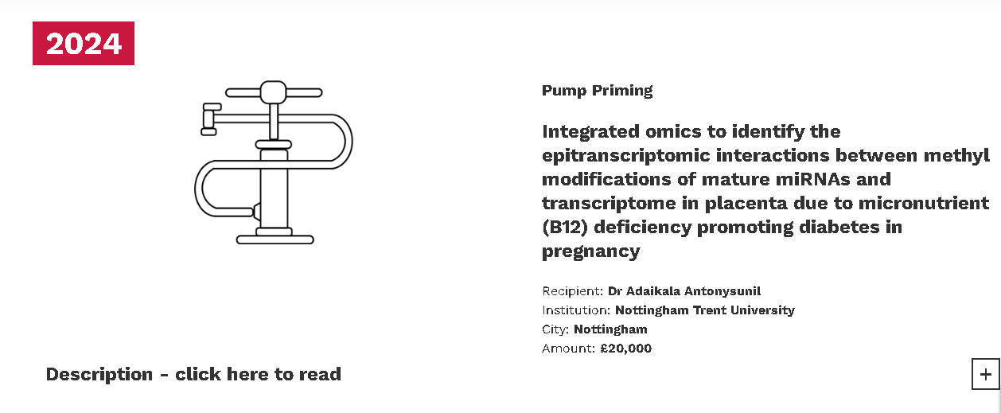
Please explain how the data is downloaded/automated:
1. Browse --https://www.drwf.org.uk/drwf-research/funded-research/


2. Select Year for which you want information of the awardes
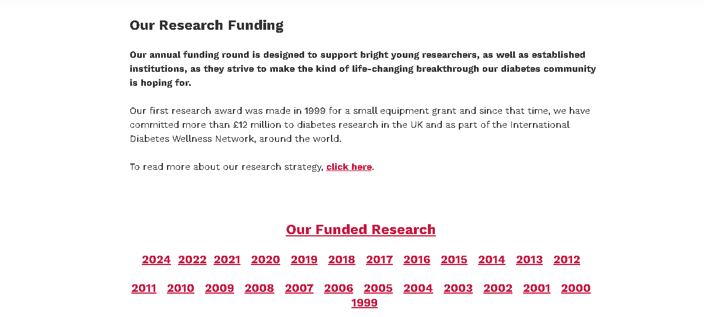

3. Information for the selected year awardees are displayed

FB Examples - Conversions
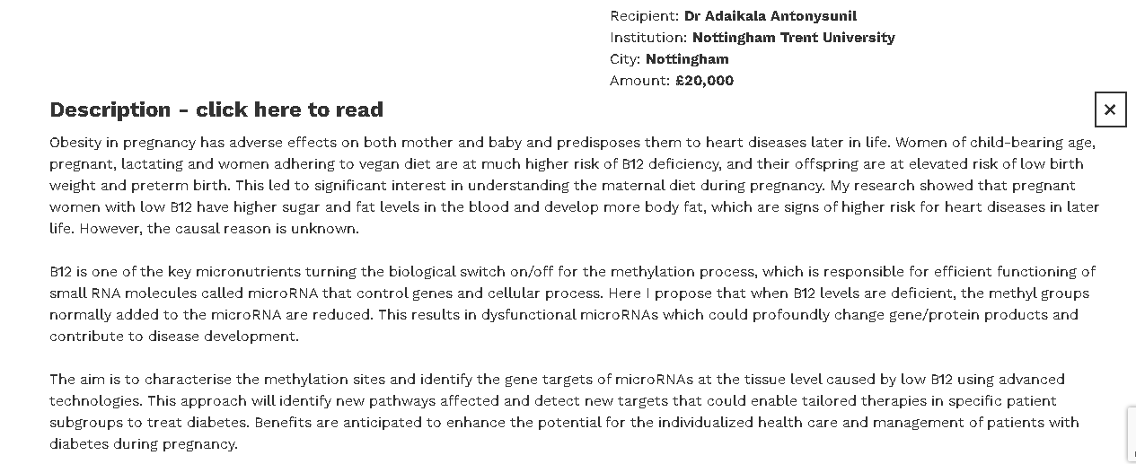
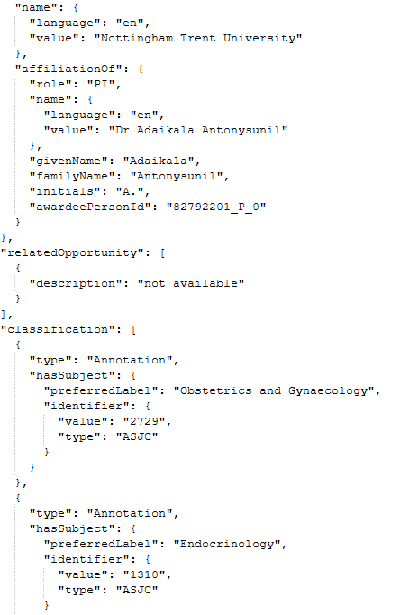
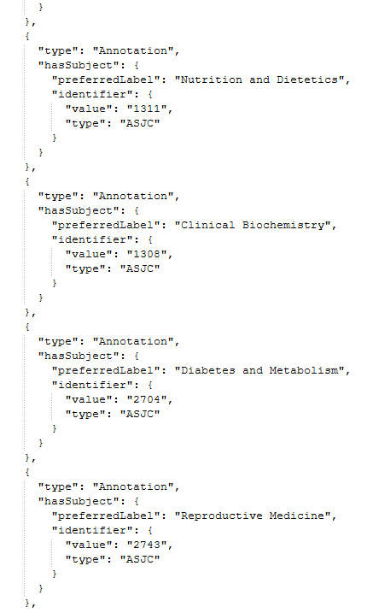
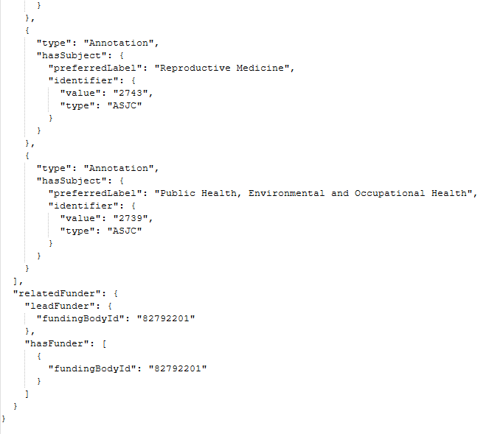
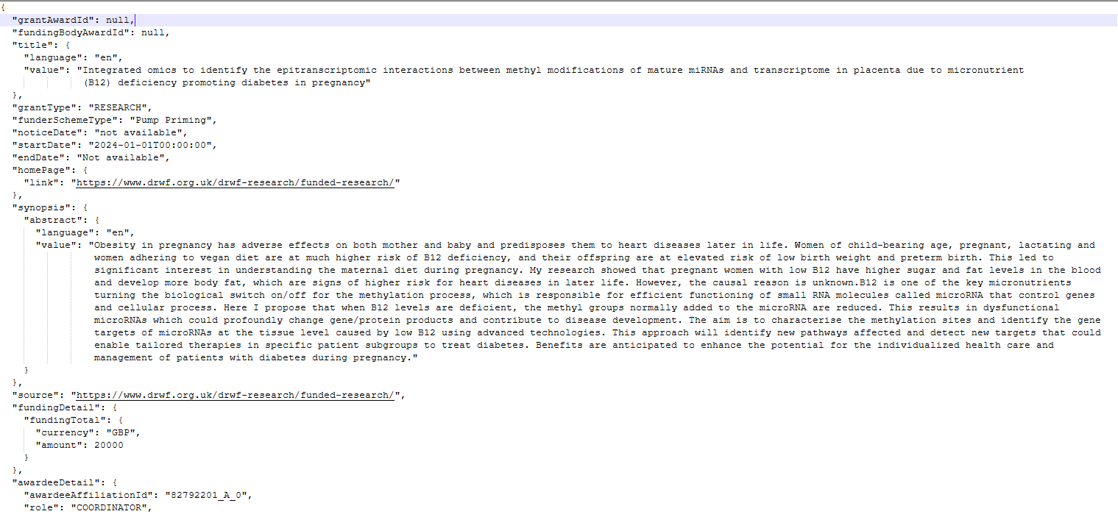
FB examples for conversions from source to JSON data:

